Dashboard
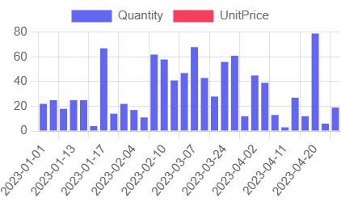
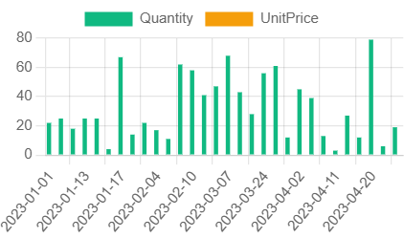
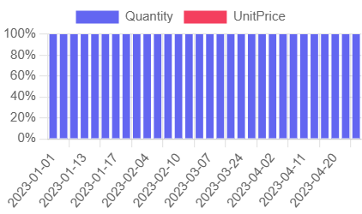
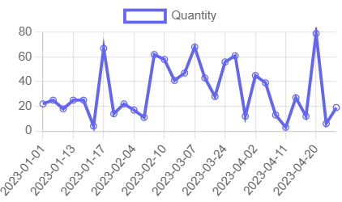
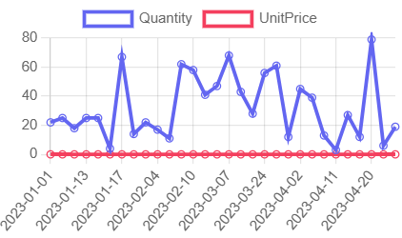
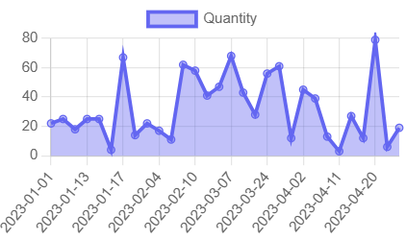
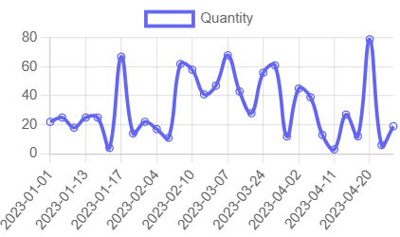
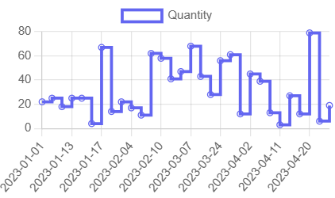
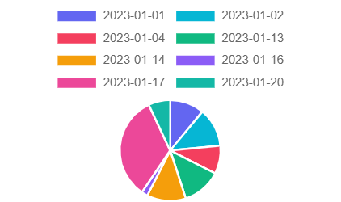
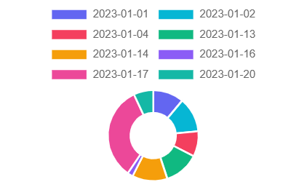
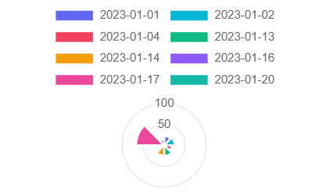
Dashboard - Exact Data + Charts | Random Letters: | U | D | C

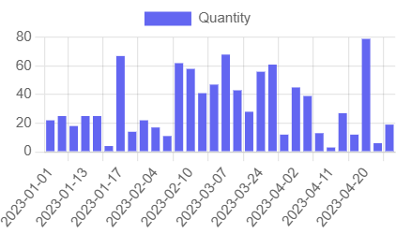
Chart 1 | Vertical Bar
Chart 2 | Horizontal Bar
Chart 3 | Stacked Bar
Chart 4 | Grouped Bar
Chart 5 | 100% Stacked
Chart 6 | Line
Chart 7 | Multi Line
Chart 8 | Area
Chart 9 | Stacked Area
Chart 10 | Spline
Chart 11 | Step Line
Chart 12 | Pie
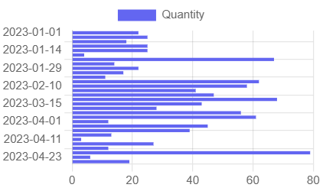
Chart 13 | Donut
Chart 14 | Half Donut
Chart 15 | Polar Area

